aPEX
PT. SUMI RUBBER INDONESIA
WP | PROSEDUR PENGGUNAAN FA SYSTEM SIDEWALL CUTTER |  |  |  | WE-841/00

TUJUAN | : SEBAGAI GUIDANCE PRODUKSI DALAM PENGGUNAAN FA SYSTEM SIDEWALL CUTTER
RUANG LINGKUP | : SIDEWALL CUTTER FACTORY 2
PIC | : OPERATOR, LEADER, FOREMAN DAN SUPERVISOR (PRODUKSI)
 | STAFF DAN CHIEF STAFF (WT)
Guidance Sidewall Cutter

1. Klik 2x Icon CutterSW pada desktop

2. Input NIK dan pilih group

3. Tampilan utama program Sidewall Cutter, klik SpecInfoList [F2]
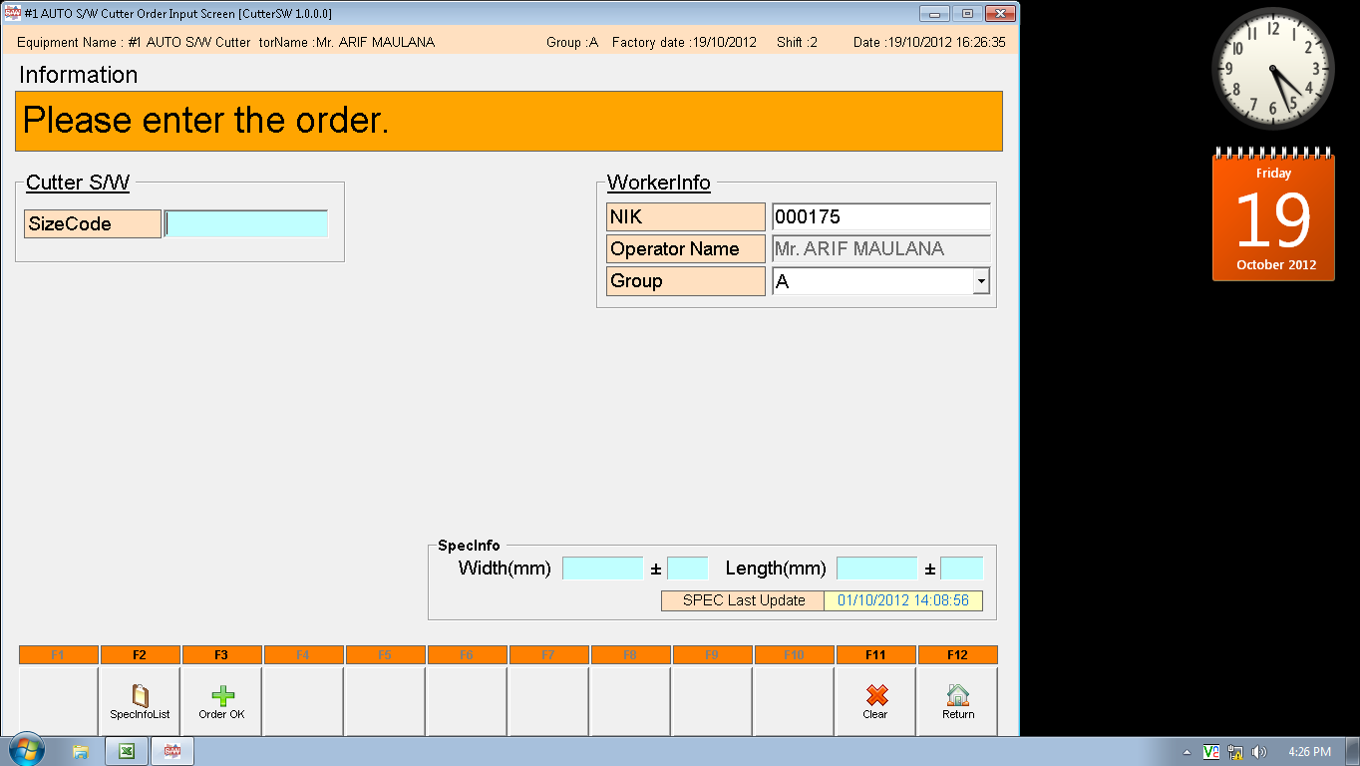

4. Pilih atau klik size yang akan diproduksi, kemudian klik OK

Issued date | Approved by |  | Checked by | Prepared by | Page
 |  |  |  |  | 1/3

 | Sutrisno | Juhdi M. | Chandra W. | Khoerul Anwar R.

PT. SUMI RUBBER INDONESIA
WP | PROSEDUR PENGGUNAAN FA SYSTEM SIDEWALL CUTTER |  |  |  | WE-841/00

5. Scan ticket dari sidewall

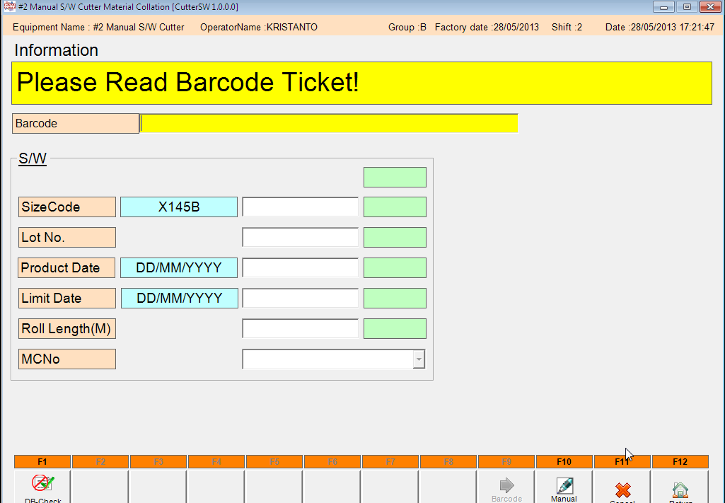

Note : Scan nomor 1 dan 2

6. Setelah scan material dari sidewall, kemudian klik Return [F12]

DB OK

Issued date | Approved by |  | Checked by | Prepared by | Page
 |  |  |  |  | 2/3

 | Sutrisno | Juhdi M. | Chandra W. | Khoerul Anwar R.

PT. SUMI RUBBER INDONESIA
WP | PROSEDUR PENGGUNAAN FA SYSTEM SIDEWALL CUTTER |  |  |  | WE-841/00

7. Input ActWidth, ActLength, ActCut dan ActReject, kemudian klik Print [F6]

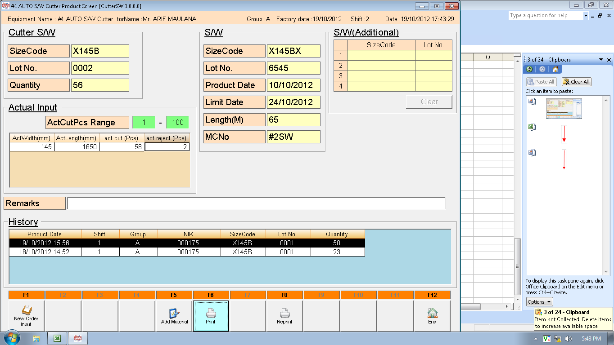

8. Klik YES(Y)

9. Hasil printout Sidewall Cutter

Issued date | Approved by |  | Checked by | Prepared by | Page
 |  |  |  |  | 3/3

 | Sutrisno | Juhdi M. | Chandra W. | Khoerul Anwar R.

